Heat content of coal
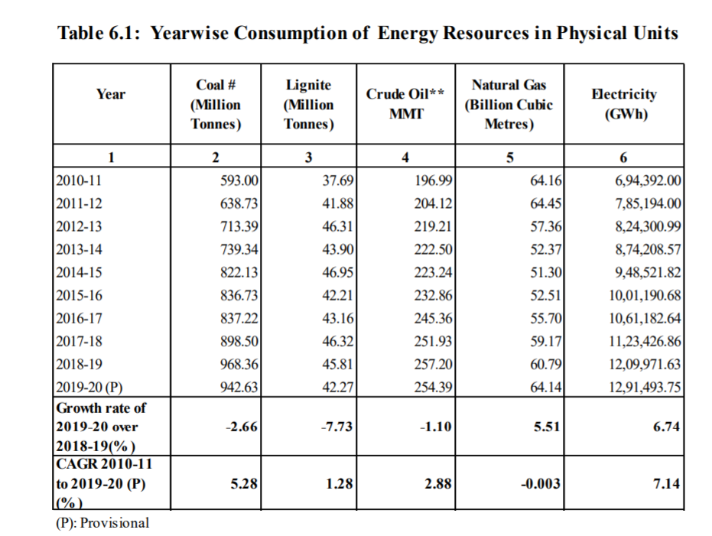
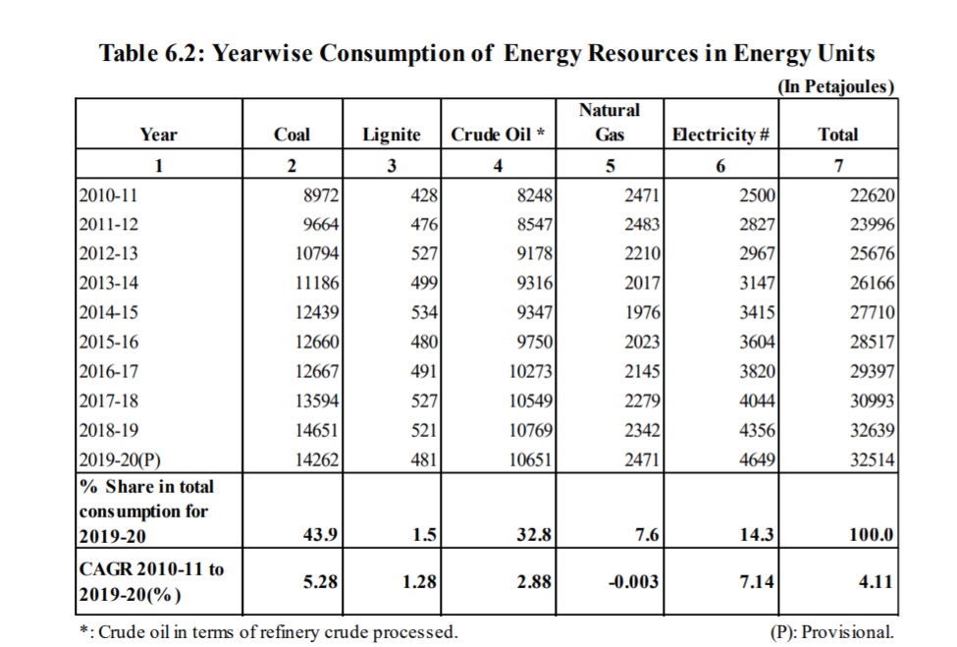
 | Total Coal Consumption |  | http://www.mospi.nic.in/sites/default/files/reports_and_publication/ES/Energy%20Statistics%20India%202021.pdf
 | By mass (million tonnes) | By energy (petajoules)
2019-20 | 942.63 | 14262

Unit conversions:
Petajoule to Kcal | 239000000000
Million tonnes to Kg | 1.00E+09

Avg. heat content (Kcal/Kg) | 3616.07
BTU/kg | 14340.148461
BTU/ton | 14340148.461

3.96567 | BTU/kcal

